Review Shapes
ID | Product Code | Image | Current Shape | Correct Shape (Fill Here)
1 | AABA1038 | 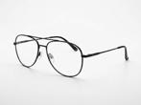 | round | AVAITOR
2 | CABA3443 | 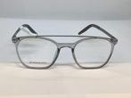 | rectangle | rectangle
3 | CABA3510 | 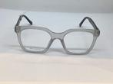 | rectangle | rectangle
4 | EABA0532 | 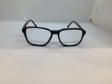 | rectangle | rectangle
5 | EBBA0643 | 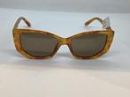 | cat-eye | cat-eye
6 | FAAA1212 |  | rectangle | rectangle
7 | FAAA1892 | 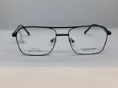 | rectangle | rectangle
8 | FABA2116 | 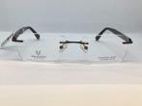 | rectangle | rectangle
9 | FABA2295 | 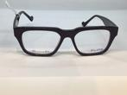 | cat-eye | rectangle
10 | FBBA2598 | 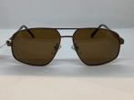 | aviator | rectangle
11 | FBBA3331 | 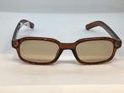 | oval | rectangle
12 | FBBA3351 | 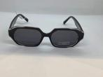 | oval | oval
13 | GAAA3225 | 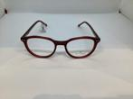 | cat-eye | cat-eye
14 | GAAA3254 | 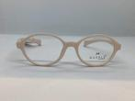 | oval | oval
15 | GAAA3266 | 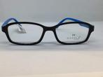 | rectangle | rectangle
16 | GABA3055 | 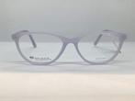 | cat-eye | cat-eye
17 | GABA3067 | 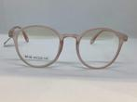 | round | round
18 | GABA3096 | 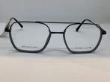 | aviator | rectangle
19 | GABA3138 | 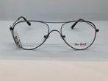 | aviator | aviator
20 | IABA2522 | 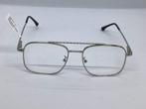 | aviator | rectangle
21 | JP10276 | 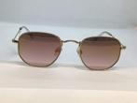 | round | round
22 | JP99457345 | 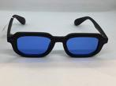 | rectangle | rectangle
23 | JP995157 | 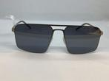 | rectangle | rectangle
24 | JP995275 | 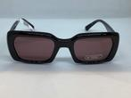 | cat-eye | rectangle
25 | Jp995292 | 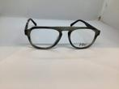 | rectangle | aviator
26 | JP995360 | 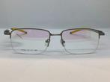 | rectangle | rectangle
27 | JP995378 | 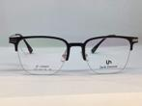 | rectangle | rectangle
28 | JP995389 | 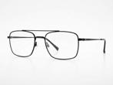 | square | rectangle
29 | JP995403 | 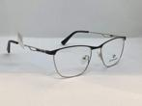 | rectangle | cat-eye
30 | JP995412 | 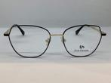 | round | hexogon
31 | JP995437 | 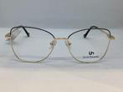 | cat-eye | cat-eye
32 | JP995488 | 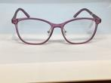 | cat-eye | cat-eye
33 | JP995495 | 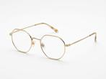 | round | round
34 | JP995509 | 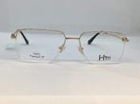 | rectangle | rectangle
35 | JP995517 | 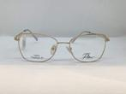 | oval | cat-eye
36 | JP9955402 | 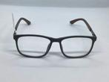 | square | rectangle
37 | JP9955457 | 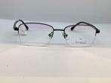 | oval | rectangle
38 | JP9955492 | 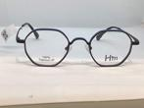 | round | round
39 | JP9955494 | 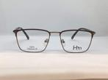 | rectangle | square
40 | JP9955496 | 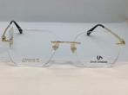 | cat-eye | cat-eye
41 | Jp9955519 | 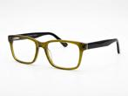 | rectangle | rectangle
42 | Jp9955527 | 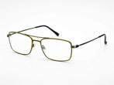 | rectangle | rectangle
43 | JP9955619 | 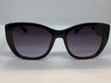 | cat-eye | cat-eye
44 | JP9955636 | 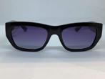 | square | square
45 | JP9955721 | 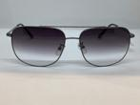 | aviator | rectangle
46 | JP9955782 | 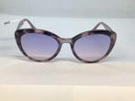 | round | cat-eye
47 | JP9955788 | 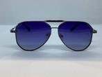 | aviator | aviator
48 | JP9955836 | 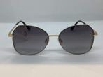 | cat-eye | cat-eye
49 | JP9956190 | 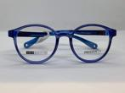 | rectangle | oval
50 | JP9956274 | 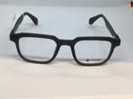 | rectangle | rectangle
51 | JP9956285 | 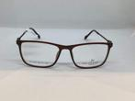 | rectangle | rectangle
52 | JP9956317 |  | square | square
53 | JP9956330 |  | rectangle | cat-eye
54 | JP9956359 |  | rectangle | rectangle
55 | JP9956456 |  | square | square
56 | JP9956465 |  | round | round
57 | JP9956597 |  | rectangle | rectangle
58 | Jp9956616 |  | rectangle | rectangle
59 | JP9956628 |  | rectangle | rectangle
60 | JP9956660 |  | rectangle | rectangle
61 | Jp9956666 |  | rectangle | rectangle
62 | JP9956704 |  | cat-eye | cat-eye
63 | JP9956709 |  | aviator | square
64 | JP9956712 |  | rectangle | rectangle
65 | JP9956786 |  | aviator | aviator
66 | JP9956804 |  | round | square
67 | JP9956851 |  | oval | cat-eye
68 | JP9956854 |  | square | square
69 | JP9956884 |  | oval | oval
70 | JP9956895 |  | rectangle | rectangle
71 | JP9956911 |  | rectangle | rectangle
72 | JP9956915 |  | rectangle | rectangle
73 | JP9957048 |  | cat-eye | rectangle
74 | JP9957058 |  | cat-eye | cat-eye
75 | JP9957101 |  | cat-eye | rectangle
76 | JP9957106 |  | oval | cat-eye
77 | JP9957107 |  | round | aviator
78 | JP9957116 |  | square | square
79 | JP9957203 |  | cat-eye | cat-eye
80 | JP9957205 |  | cat-eye | cat-eye
81 | Jp9957212 |  | rectangle | rectangle
82 | JP9957215 |  | oval | oval
83 | JP9957232 |  | rectangle | rectangle
84 | JP9957247 |  | rectangle | rectangle
85 | JP9957262 |  | rectangle | rectangle
86 | JP9957283 |  | rectangle | rectangle
87 | JP9957286 |  | rectangle | rectangle
88 | JP9957299 |  | round | round
89 | JP9957307 |  | rectangle | rectangle
90 | JP9957309 |  | rectangle | rectangle
91 | JP9957318 |  | rectangle | rectangle
92 | JP9957320 |  | rectangle | rectangle
93 | JP9957329 |  | square | square
94 | JP9957343 |  | rectangle | rectangle
95 | JP9957357 |  | aviator | round
96 | LAAA1843 |  | rectangle | rectangle
97 | NAAA0887 |  | cat-eye | oval
98 | OAAA1777 |  | oval | cat-eye
99 | OAAA1785 |  | round | round
100 | OAAA2620 |  | oval | square
101 | OAAA2621 |  | rectangle | rectangle
102 | OAAA2633 |  | rectangle | rectangle
103 | TAAA1976 |  | square | square
104 | JP2699 |  | round | oval

